Sheet2
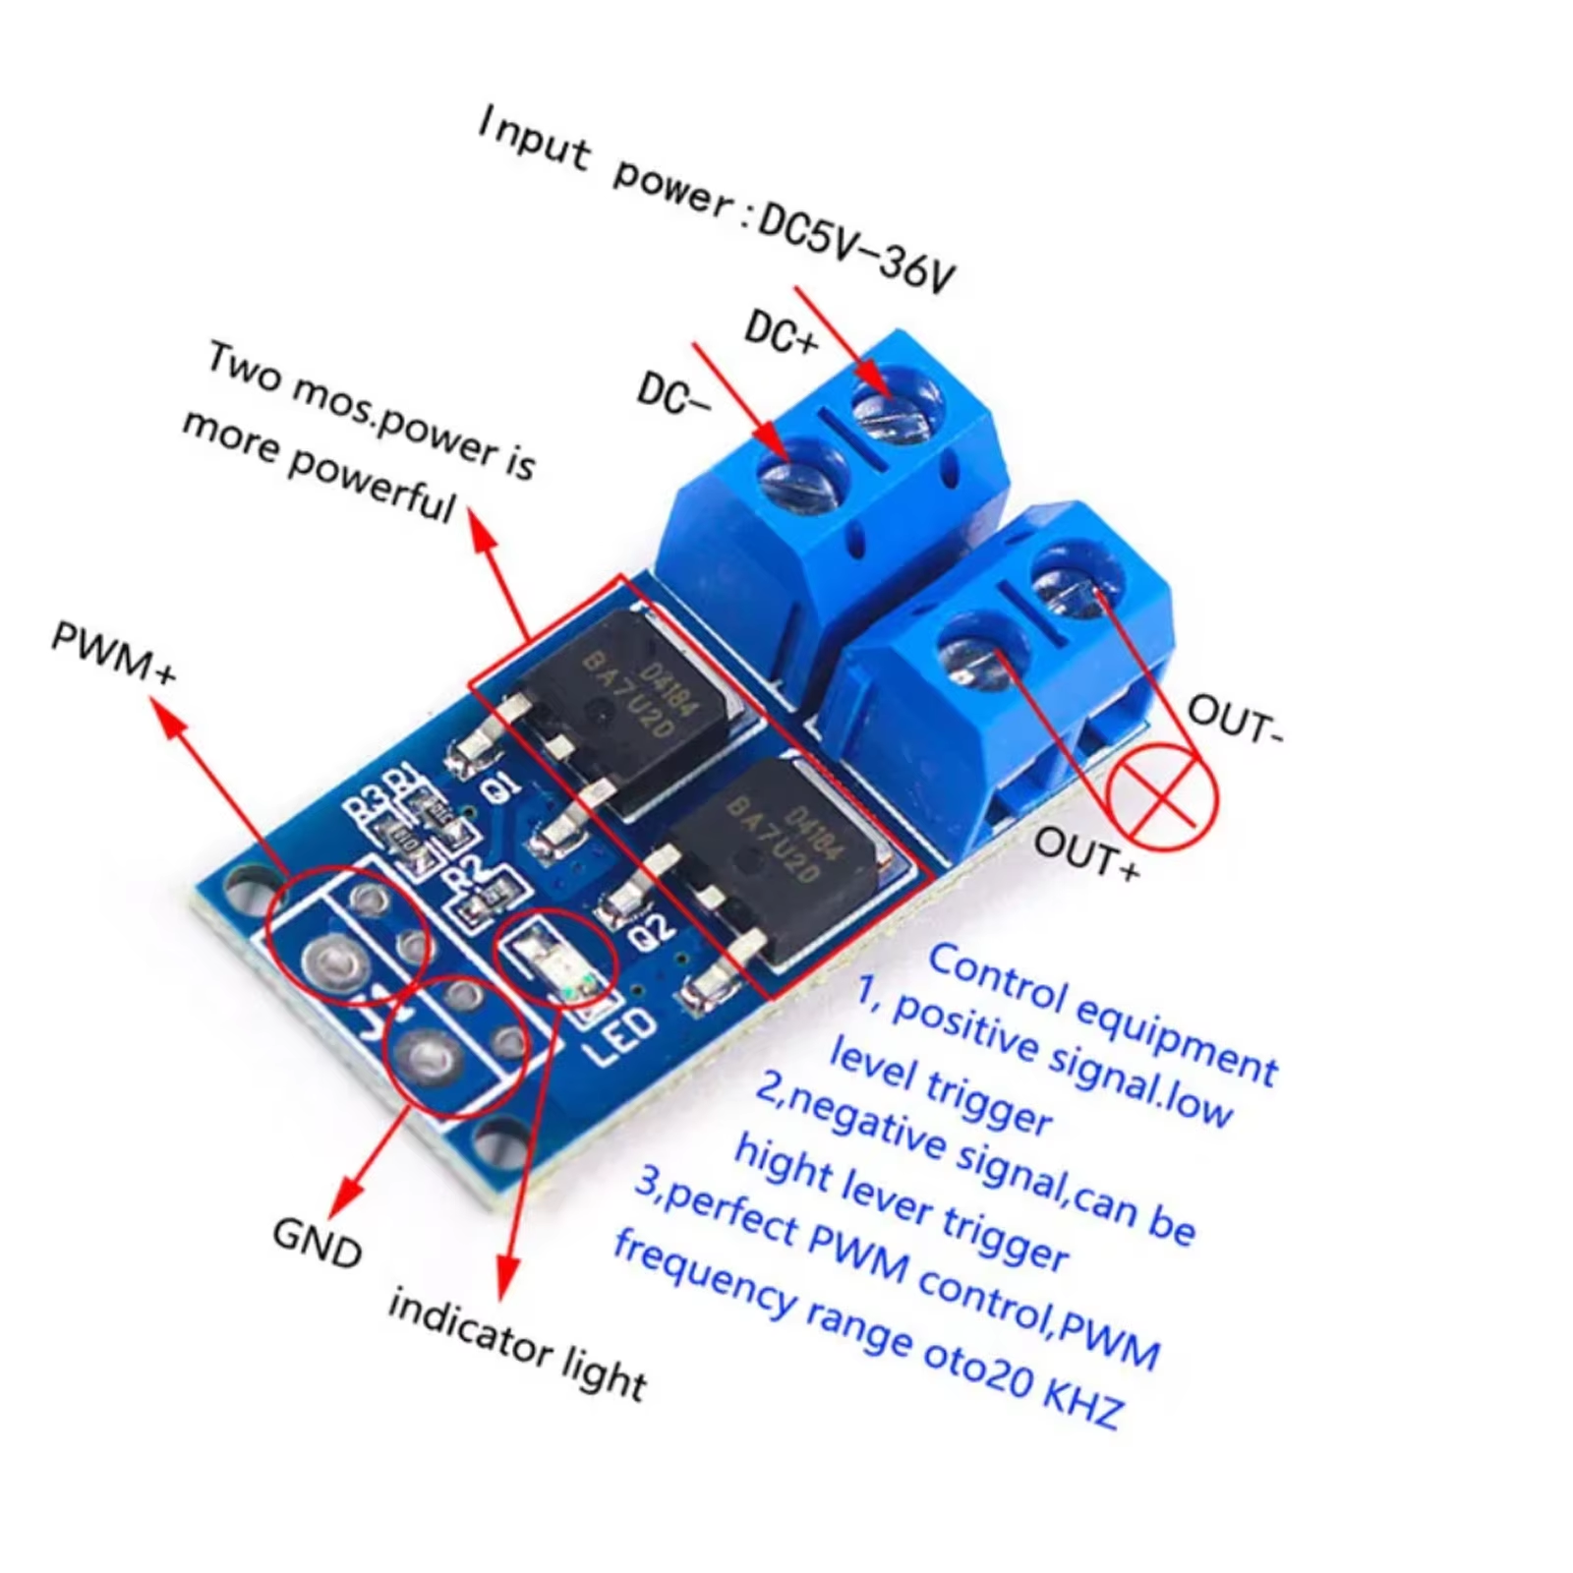
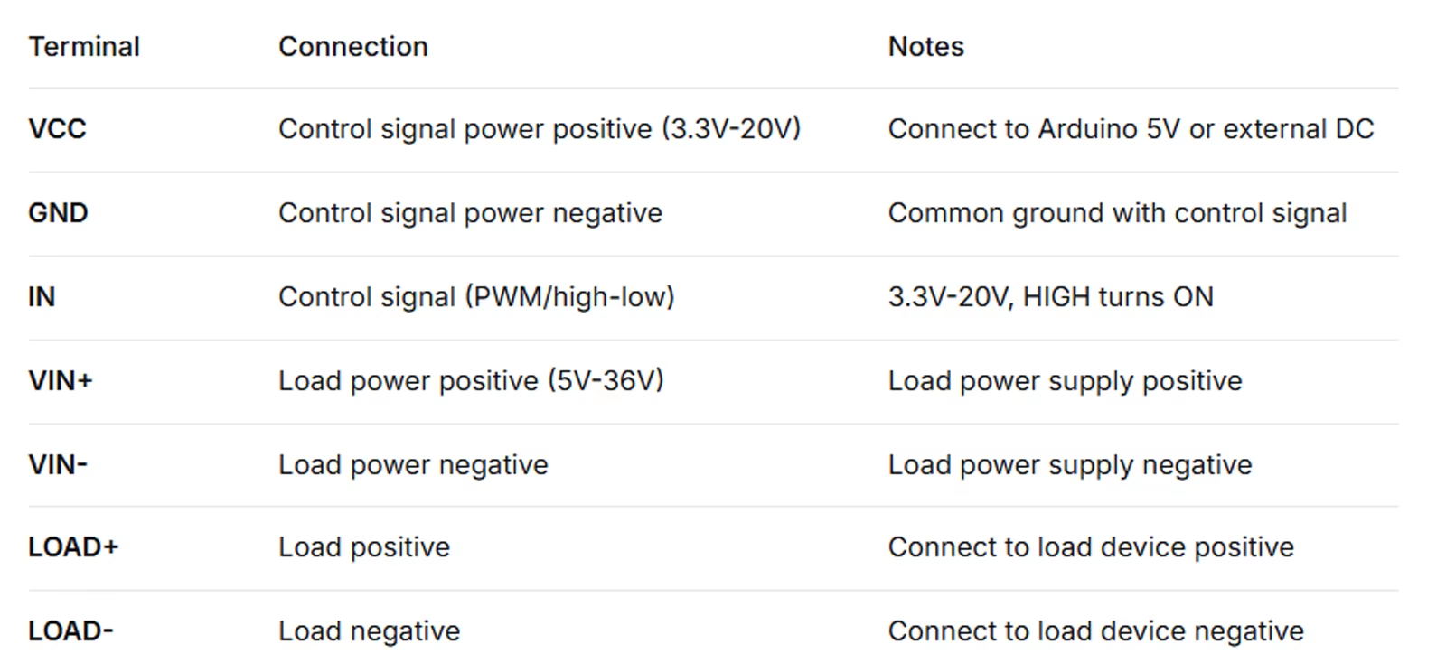
PWM Control. Perfect for Arduino Motor Speed Control & LED Dimming!
Key Features & Benefits
💪 15A 400W High Power: Dual MOSFET in parallel – low RDS(on), 15A continuous current at room temperature, 400W power. With heatsink, up to 30A. 🔋 Wide Voltage Range: Operating voltage DC 5V-36V – compatible with 5V, 12V, 24V systems. 🎛️ PWM Signal Support: 0-20kHz PWM input – precise motor speed and LED brightness control. 🔌 Multiple Trigger Sources: Signal voltage DC 3.3V-20V – direct connection to MCU I/O, PLC, DC power supply. 🛡️ Long Lifespan: Contactless switch – unlimited switching cycles. Operating temperature -40℃ to +85℃. 🧩 Compact Size: Only 34×17×17mm – easy to integrate.
Product Description
Need to control high-power motors, LED strips, or solenoid valves without bulky relays? This MOSFET trigger switch drive module is the perfect solution. Dual MOSFET parallel design delivers 15A continuous current (400W) at room temperature – up to 30A with heatsink. Operating voltage DC 5V-36V, supports 0-20kHz PWM input. Direct connection to Arduino, ESP32, or other MCU I/O for motor speed control, LED dimming, and solenoid valve switching. Contactless design ensures unlimited switching life. Ideal for automation control and DIY projects.
⚡ Quick Start Guide & Important Tips
🔹 What It Does & What You Need ✅ This module does: Controls high-power DC devices (motors, LED strips, solenoid valves, pumps) Supports PWM speed/dimming control (0-20kHz) 15A continuous output (30A with heatsink) Operating voltage DC 5V-36V, signal voltage DC 3.3V-20V ❌ This module does NOT: Control AC devices, support high-frequency switching >20kHz, include heatsink 🔧 You will need: Control signal source (Arduino/PLC/DC power), load device, DC power supply (5-36V) 📦 Package includes: MOSFET Trigger Switch Module × (as per SKU quantity)
🔹 Wiring & Usage in 3 Steps

Sheet3
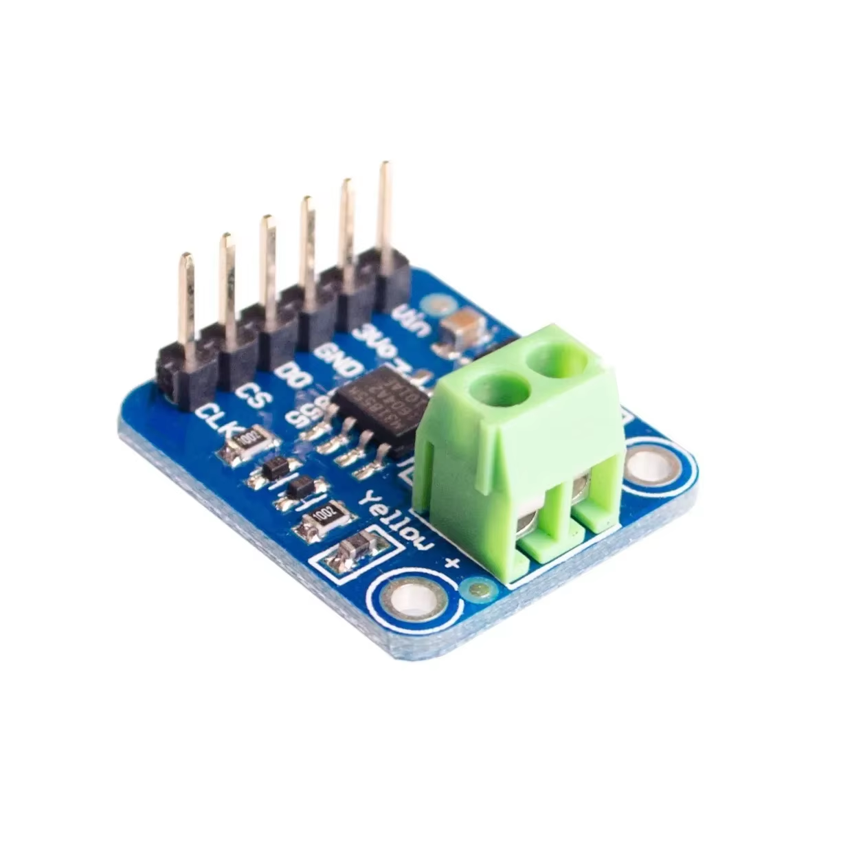
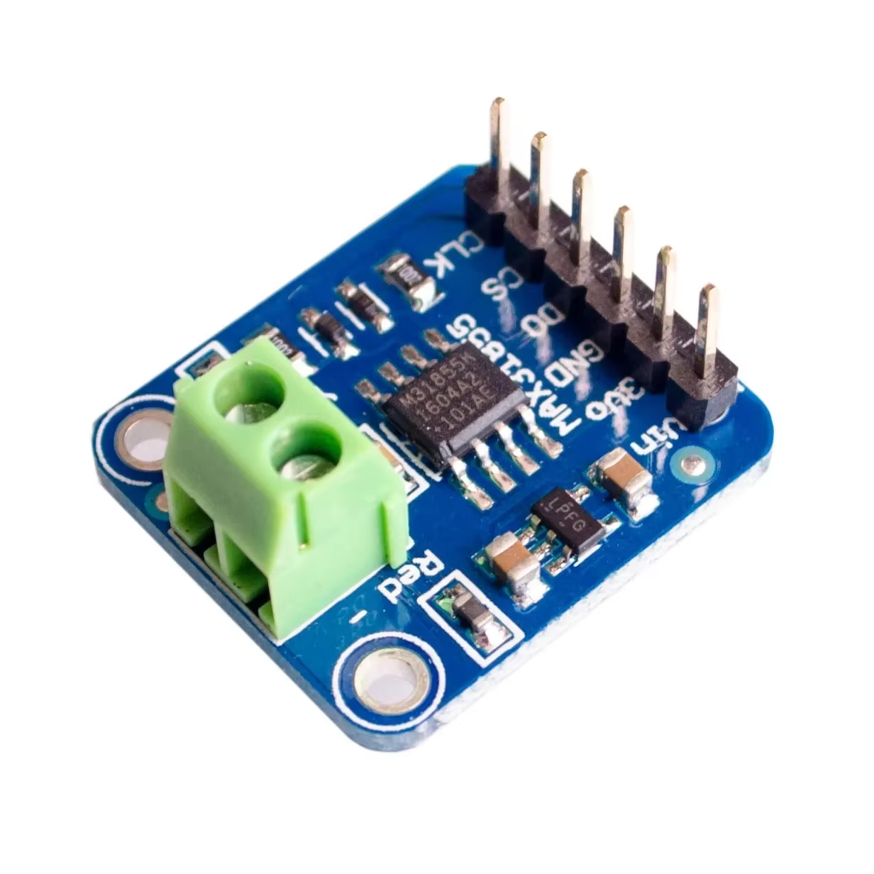
Description
Report this item or seller
MAX31855 K Type Thermocouple Breakout Board Temperature Measurement Module For Arduino Feature: Thermocouples are very sensitive, requiring a good amplifier with a cold-junction compensation reference. This product does everything for you, and can be easily interfaced with any microcontroller, even without an analog input. This breakout board has the chip itself, a 3.3V regulator with 10uF bypass capacitors and level shifting circuitry, all assembled and tested. Comes with a 2 pin terminal block (for connecting to the thermocouple) and pin header (to plug into any breadboard). Description: Measurement temperature range: -200 °C to 1350 °C
SPI interfaces, high-speed transmission
The input voltage: 3-5v DC Direct digital output temperature value, no amplifiers, no ADC 14-bit resolution, 0.25 degree temperature accuracy Note: Works with any K type thermocouple K thermocouples have about ±2°C to ±6°C accuracy Internal temperature reading 3 to 5v power supply and logic level compliant! SPI data output requires any 3 digital I/O pins.

Sheet4
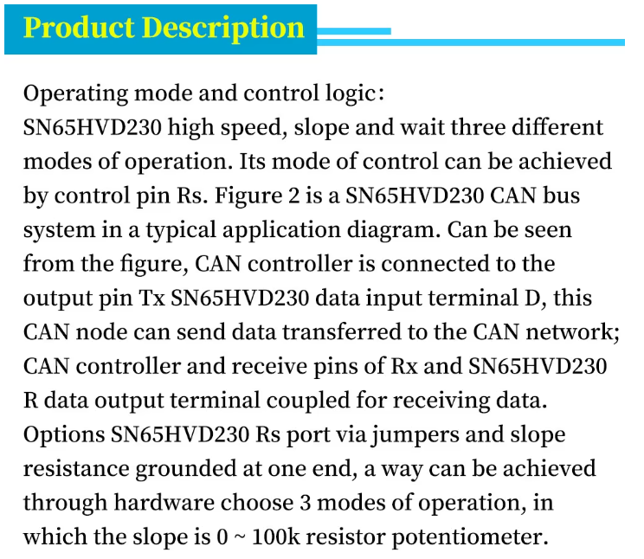
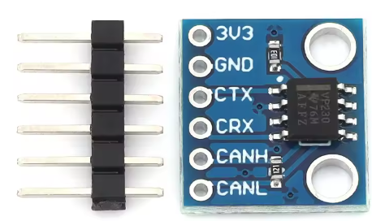
MCU-230 Bus Transceiver SN65HVD230 CAN Communication Module VP230

Sheet5
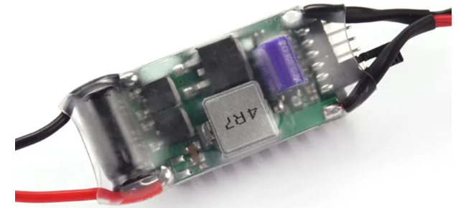
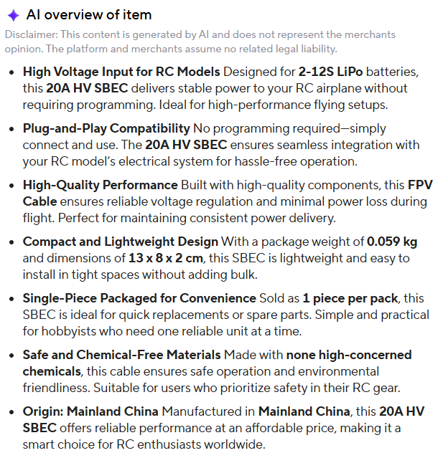
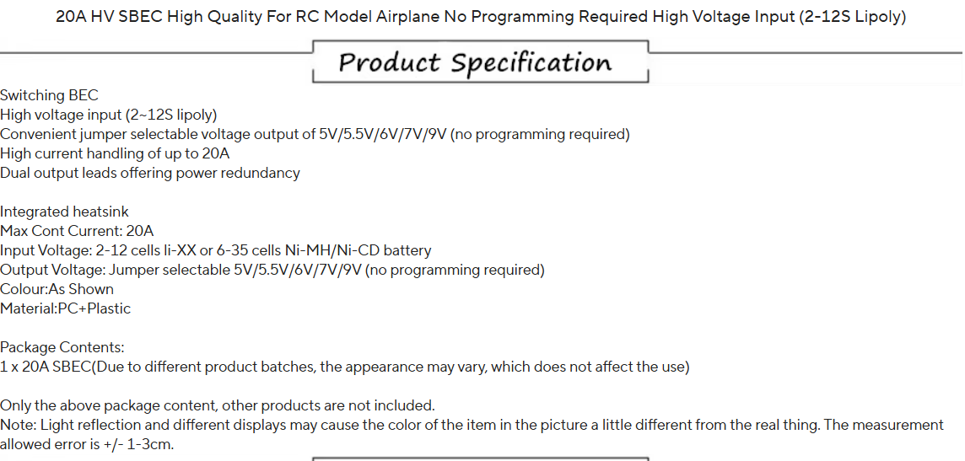
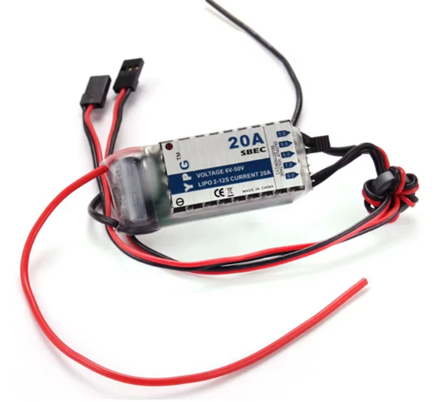

for 5V Power Rail

Sheet6
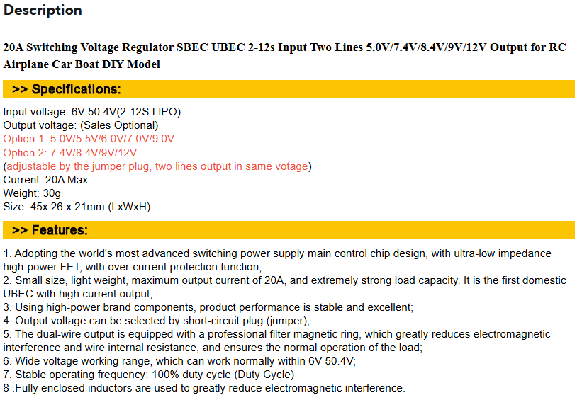
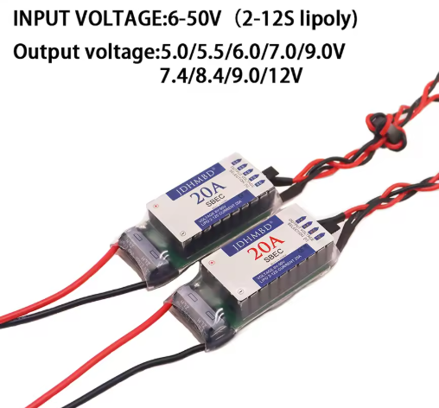

for 12V Power Rail

Sheet7
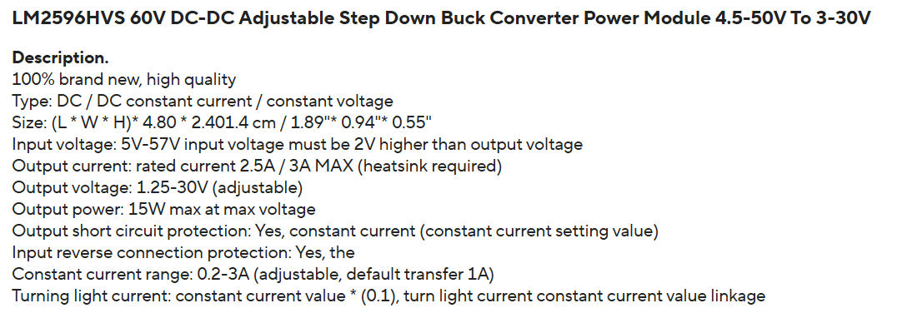
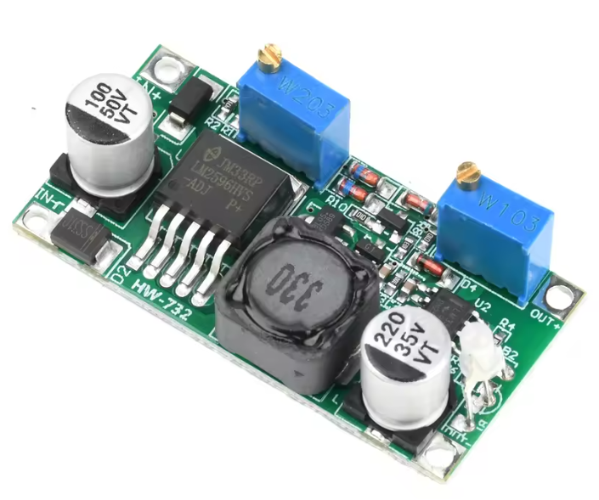

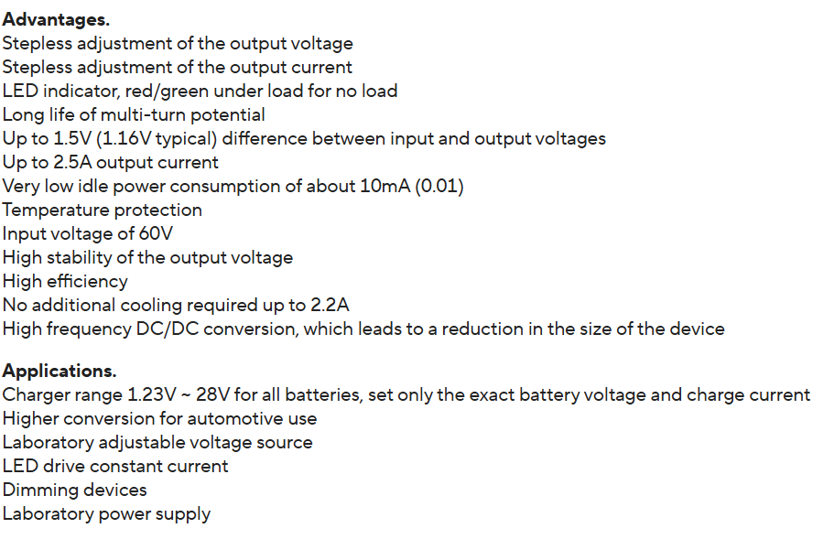

Sheet8
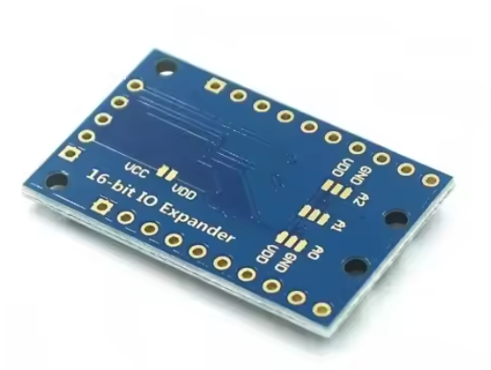

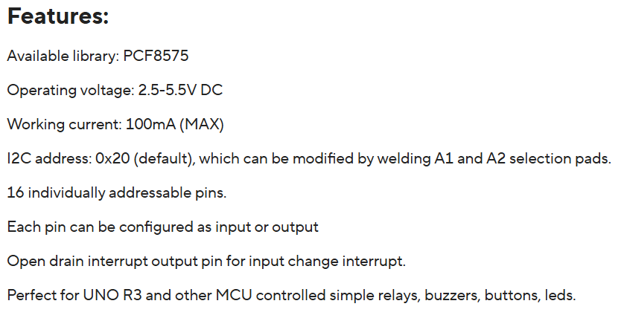

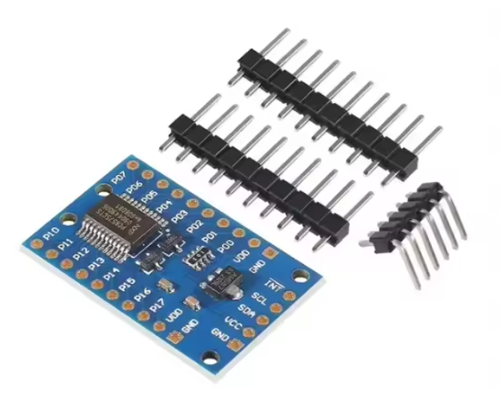

Sheet9
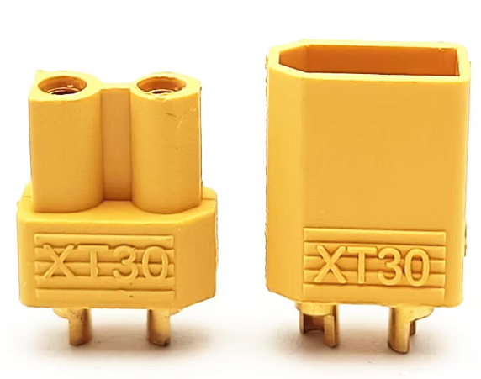

Sheet10
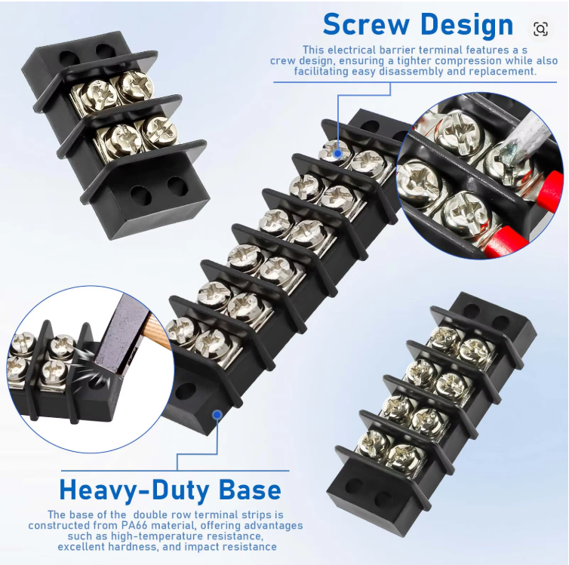
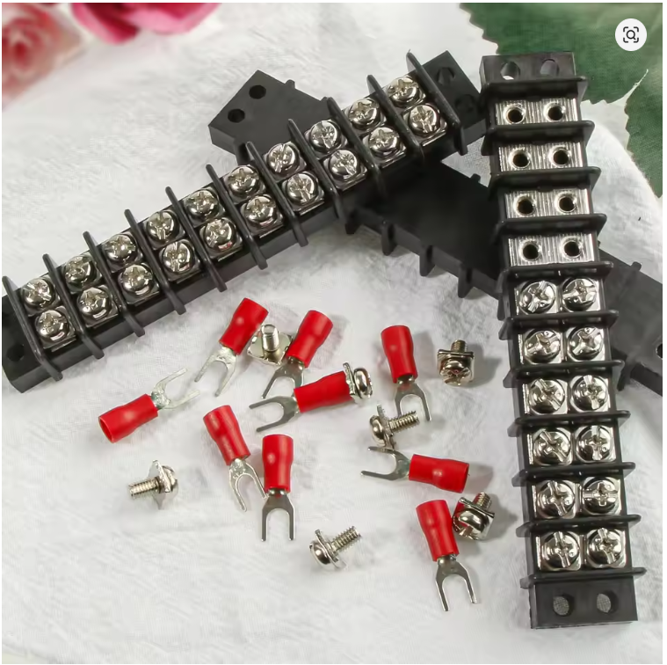

Sheet11
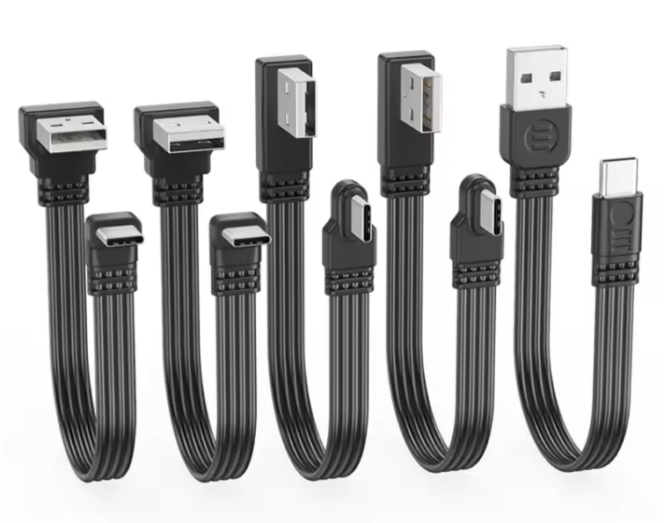

Sheet12
